Sheet1
 |  | Document No. | Issue No. | Issue Date |  | Review and Replace Date |  |  | Authorised By
 |  | GFF023MC | 3 | 01.10.2018 |  | 08.10.2020 |  |  | Magda Shah
 |  | Document Title | 10 Breaded Mozzarella Sticks 250g
Document amendments reason for change |  | Tray changed to clear |  |  | Page 1 of 1 |  | Previous Issue Date | 28.10.2019 | Uncontrolled copy unless signed original

CMZSTKB2-R1TEB | BOOTHS - XMAS |  | 10 BREADED MOZZARELLA STICKS 250g
STEP 1 |  |  |  |  | STEP 2
 |  |  |  |  | 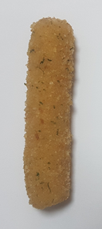

Tray: SK4 Plain Clear (PKESS001-07) |  |  |  |  | 10 X MOZZARELLA STICKS (RMSAL001-03)(Salud) 25g (11 pcs if weight is less)
LINE 2: ME410AFV2, 410mm wide x 1000m linear PET Antifog WELD seal (PKRPO001-12)
STEP 3
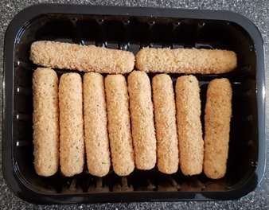

CHANGE PHOTO TO CLEAR TRAY
DEFROST DAY + 14 DAYS

TOTAL WEIGHT: 250g (10-11 units)
ALLERGY ALERT: Egg, Milk, Wheat

